Figure 5c
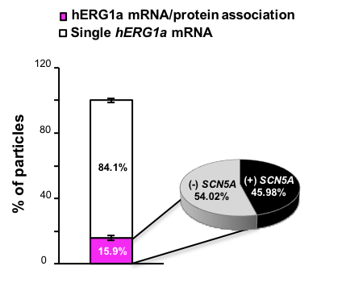
 | Cell 1 | Cell 2 | Cell 3 | Cell 4 | Cell 5 | Cell 6 | Cell 7 | Cell 8 | Cell 9 | Cell 10 | Cell 11 | Cell 12 | Cell 13
# 1a protein | 395 | 320 | 243 | 152 | 200 | 277 | 341 | 369 | 982 | 407 | 348 | 538 | 940
# 1a mRNA | 153 | 151 | 95 | 93 | 95 | 158 | 86 | 102 | 91 | 91 | 85 | 169 | 284
# coloc 1a protein - 1a mRNA | 41 | 35 | 24 | 17 | 15 | 23 | 14 | 14 | 10 | 10 | 6 | 17 | 40
# coloc 1a/1a associated with SCN5A | 16 | 15 | 14 | 8 | 3 | 13 | 8 | 11 | 3 | 6 | 4 | 4 | 7

 |  |  |  |  |  |  |  |  |  |  |  |  |  | Mean | SD | SEM | % single 1a mRNA | 84.073042986
% 1a mRNA associated with 1a prot | 26.797385621 | 23.178807947 | 25.263157895 | 18.279569892 | 15.789473684 | 14.556962025 | 16.279069767 | 13.725490196 | 10.989010989 | 10.989010989 | 7.0588235294 | 10.059171598 | 14.084507042 | 15.926957014 | 4.6404932392 | 1.3395950104
% of 1a/1a asoociated with SCN5A | 39.024390244 | 42.857142857 | 58.333333333 | 47.058823529 | 20 | 56.52173913 | 57.142857143 | 78.571428571 | 30 | 60 | 66.666666667 | 23.529411765 | 17.5 | 45.938907172 | 19.104486921 | 5.5149903332 | % -SCN5A | 54.061092828

